Sheet1
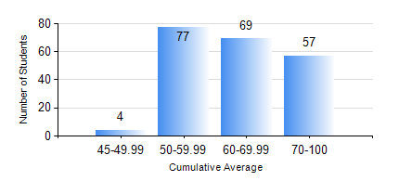
 |  |  | KWAME NKRUMAH UNIVERSITY OF SCIENCE AND TECHNOLOGY, KUMASI Department of Electrical/Electronic Engineering

 |  |  | BSC. ELECTRICAL/ELECTRONIC ENG.

 |  |  | COMPREHENSIVE RECORD OF EXAMINATION RESULTS

 |  |  | RESULTS OF YEAR 3 FIRST SEMESTER, 2021/2022 ACADEMIC YEAR

 | Sn | Course Code |  | Course Name | Credit Hours | Min. Mark | Max. Mark | Avg. Mark | Std. Dev. | No. Passed | No. Trailed | No. (Df) | No. (I) | No. (I*) | No. Tagged(I,I*,Df) | Total
 | 0. |  |  |  |  |  |  | 0 | 0 | 0 | 0 | 0 | 0 | 0 | 0 | 6
 | 1. | COE 381 |  | MICROPROCESSORS | 3 | 0 | 90 | 62 | 14.98 | 196 | 5 | 0 | 0 | 0 | 0 | 201
 | 2. | EE 365 |  | ELECTRICAL SERVICES DESIGN | 2 | 0 | 91 | 63 | 16.82 | 190 | 11 | 0 | 0 | 0 | 0 | 201
 | 3. | EE 367 |  | POWER GENERATION AND SUPPLY | 3 | 0 | 92 | 61 | 18.4 | 185 | 16 | 0 | 0 | 0 | 0 | 201
 | 4. | EE 371 |  | LINEAR ELECTRONIC CIRCUITS | 3 | 0 | 99 | 67 | 17.6 | 195 | 6 | 0 | 0 | 0 | 0 | 201
 | 5. | EE 387 |  | CLASSICAL CONTROL SYSTEMS | 2 | 0 | 91 | 60 | 18.46 | 179 | 22 | 0 | 0 | 0 | 0 | 201
 | 6. | MATH 351 |  | NUMERICAL ANALYSIS | 2 | 0 | 87 | 63 | 12.97 | 196 | 5 | 0 | 0 | 0 | 0 | 201
 | 7. | MATH 353 |  | PROBABILTY AND STATISTICS | 2 | 0 | 84 | 65 | 12.74 | 196 | 5 | 0 | 0 | 0 | 0 | 201
 | 8. | TE 271 |  | ANALOG COMMUNICATION SYSTEMS | 2 | 0 | 99 | 62 | 18.36 | 196 | 5 | 0 | 0 | 0 | 0 | 201

